Registration Form

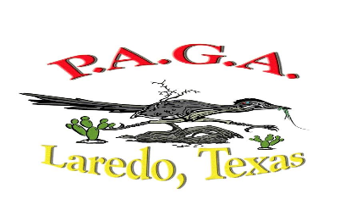
2023 National 3rd Meeting / Workshop and Tournament
Date: October 13 - 14, 2023
Hosted by: PAGA of Laredo, TX
Registration Form

 | Starter Shack ID # | Name | Guest | Handicap Index | Super Seniors D.O.B. | Registration Fee $110 | Wagering Optional $20 | Optional Flighted Skins $20 | Optional Super Skins $20 | *Social Package $30.00 | Total
1 |  |  |  |  |  |  |  |  |  |  | $-
2 |  |  |  |  |  |  |  |  |  |  | $-
3 |  |  |  |  |  |  |  |  |  |  | $-
4 |  |  |  |  |  |  |  |  |  |  | $-
5 |  |  |  |  |  |  |  |  |  |  | $-
6 |  |  |  |  |  |  |  |  |  |  | $-
7 |  |  |  |  |  |  |  |  |  |  | $-
8 |  |  |  |  |  |  |  |  |  |  | $-
9 |  |  |  |  |  |  |  |  |  |  | $-
10 |  |  |  |  |  |  |  |  |  |  | $-
11 |  |  |  |  |  |  |  |  |  |  | $-
12 |  |  |  |  |  |  |  |  |  |  | $-
13 |  |  |  |  |  |  |  |  |  |  | $-
14 |  |  |  |  |  |  |  |  |  |  | $-
15 |  |  |  |  |  |  |  |  |  |  | $-
 |  |  |  |  |  |  |  | Total: |  |  | $-
 | *Social Event allows your guest to join in reception and meal after tournament
 |  |  |  |  | Please Email Registration Form to : |  |  | bigtoastajr@gmail.com |  |  | Mike Sosa
Chapter |  |  |  |  | & to National Tournament Director: |  |  | alonzoreyes17@yahoo.com |  |  | Alonzo Reyes
Contact Name
Phone# |  |  |  |  | Please make check payable to Laredo PAGA
Email Address |  |  |  |  | Mail Form & Check to: P.O. Box 3251, Laredo, Texas 78041-3251
 |  |  |  |  | Primary Contact: Mike Sosa bigtoastajr@gmail.com 956-763-2629
DEADLINE: SEPTEMBER 15, 2023 or first 100 paid members |  |  |  |  | Second Contact: Luis A. Garza, lagarzasr@gmail.com 210-501-3240

